Map
DataHaven 2015 Hartford-West Hartford Neighborhood Estimates
Please cite: DataHaven. (2016). DataHaven 2015 Hartford-West Hartford Area Neighborhood Estimates, based on 2015 5Y American Community Survey. New Haven, CT: DataHaven
Neighborhood-level data from the American Community Survey are subject to high margins of error. Compare and use with caution.
*Most residents of the North Meadows neighborhood are incarcerated male adults living in the Hartford Correctional Facility.

Neighborhoods in Hartford, Connecticut and West Hartford, Connecticut

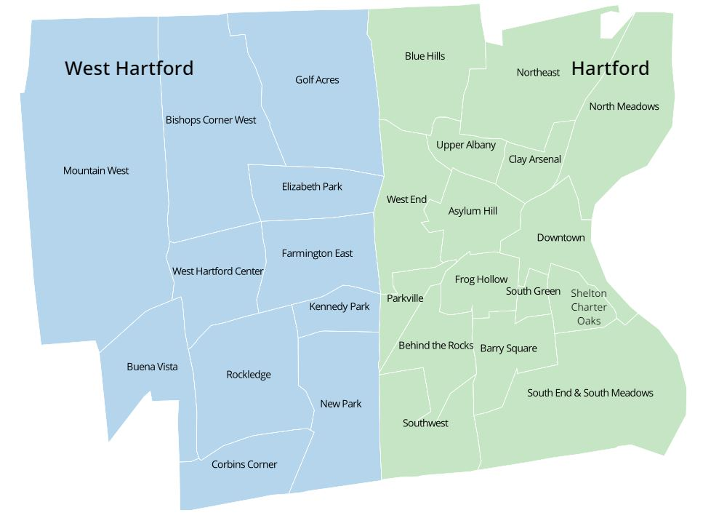

 | #DIV/0! | #DIV/0!

